10
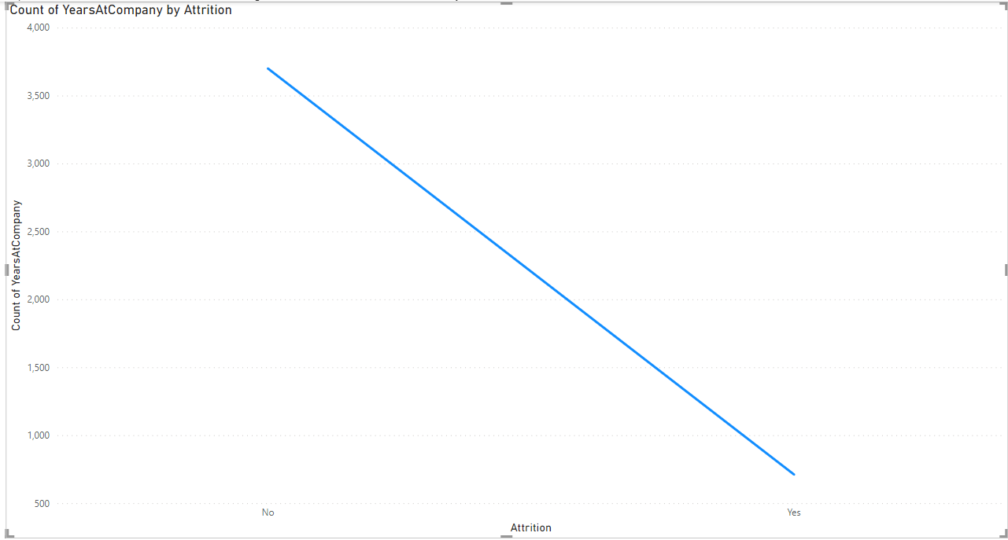
10. In Power BI, create a line chart that visualizes the trend of Employee Attrition over the years.

